Job Details

Job Number & Name: | 35084 LB Bexley
Site Number/Name: | Site 14 - Halfway Street
Client: | Waterman
Date: | 2023-03-30

Site Plan
Advanced Transport Research |  |  | Job Number & Name: | 35084 LB Bexley
Site 14 - Halfway Street |  |  | Date: | 2023-03-30

Job Type: | Pedestrian & Vehicle Count
Co-ordinates: | 51°26'11.78"N, 0° 6'1.46"E | Postcode: | DA15 8LQ |  | Times: | 0730-0930 1430-1630

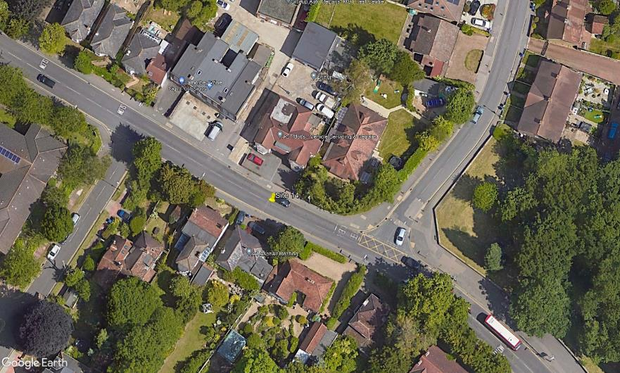
N

Burnt Oak Lane
3

2
D

C
A

B

1

Halfway Street

